2016.01.25
Item | Task |  | Finished % | Risk (including technologies,resource, management, communications,.., etc.) | Risk Feedback (Record) | Labor/hr. (工時, base on 8 hrs/d)
 | Project Name / Platform | Task description
1. In process this week | Please fill in: " Internal study / Platform(ex. Android-4.4, Android-5.0 ,Intel-SoFIA,Linux,..,etc.)" or "Internal study" if the case is internal study instead of a project. |  |  | (Please fill in the tough issues or risks in here)
 | Inernal study
 | MAX+
 | MAX1\X1
 | X5 | 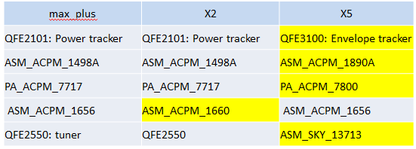 ET(Envelope tracker) Calibration: compare X5 RF with max_plus\X2
 | Picasso | RF driver porting – based on truth table 1. Verification with Nathan: (因為板子還沒回來, 先直接量 GPIO 的電壓, 1.8V 為High, 0V 為Low) WCDMA and LTE are almost PASS. 2. Porting new truth table: RF MF provided new truth table(1/20). Note: 預計下星期板子才會回來. | 65%
 | Zion
2. Going to do next week | Pleasea fill in: " Internal study / Platform(ex. Android-4.4, Android-5.0 ,Intel-SoFIA,Linux,..,etc.)" or "Internal study" if the case is internal study instead of a project.
 | Inernal study
 | MAX+
 | X5 | ET Calibration
 | Picasso | RF driver porting – based on truth table Verification\Debug with RF Nathan
 | Zion

3. Is there any expected uncertainties or risks in coming week or month ? | Pleasea fill in: " Internal study / Platform(ex. Android-4.4, Android-5.0 ,Intel-SoFIA,Linux,..,etc.)" or "Internal study" if the case is internal study instead of a project.

